Cover
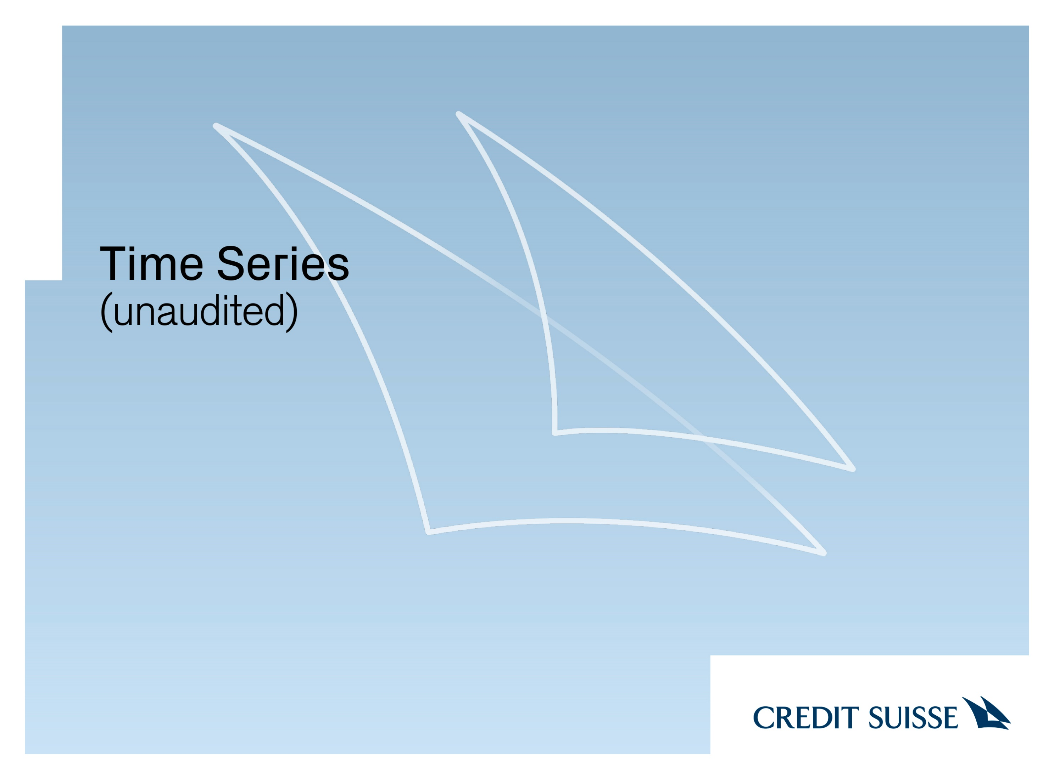

Feburary 9, 2023

